BUG001
Bug/Defect Template

Defect ID | BUG001 | Assigned To | Dev
Status | New | Browser | Chrome
Severity |  | Found in Version
Priority |  | Found in Build | 1
Module | Login Page | Fixed in version
Reported By | Siva | Fixed in build


Title/Summary | Adactin:Login:Links[Google Play&IOS]are not working on Image
Description Steps To Re-Produce : 1.Launch Browser 2.Enter Url 3.Click on Google Play,IOS links on Image Expected Result :Play Should be Opened,IOS store Should be open Actual Result : Links are Not working
Attachments

BUG002
Bug/Defect Template

Defect ID | BUG002 | Assigned To | Dev
Status | New | Browser | Chrome
Severity |  | Found in Version
Priority |  | Found in Build | 1
Module | Search Hotel | Fixed in version
Reported By | Siva | Fixed in build

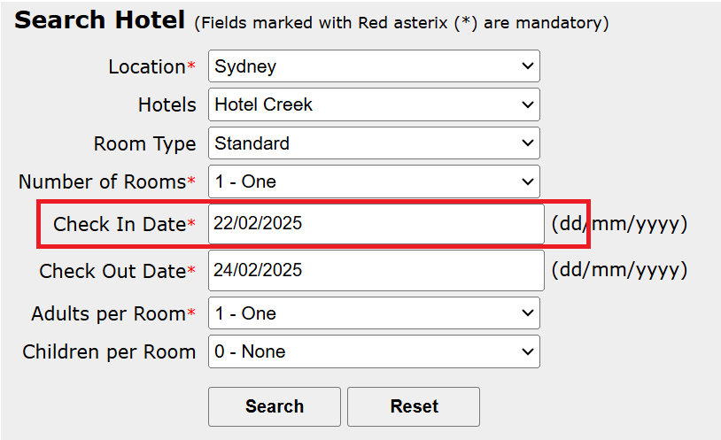
Title/Summary | Adactin:Search Hotel:Validation of Check in date is not working- Accepting Previous date
Description Steps To Re-Produce : 1.Launch Browser 2.Enter Url 3.Enter Username 4.Enter Password 5.Click on login Button 6.Select location 7. Select Hotels 8.Select Room Type 9.Select number of rooms 10.Enter Check-in date as previous date 11.Enter check-out date 12.Select Adults per Room 13.Select Children per room 14. Click on Search Button Expected Result :Error Message Should be Displayed Actual Result : Select hotel page is Desplayed
Attachments

BUG004

Bug/Defect Template

Defect ID | BUG004 | Assigned To | Dev
Status | New | Browser | Chrome
Severity |  | Found in Version
Priority |  | Found in Build | 1
Module |  | Fixed in version
Reported By | Siva | Fixed in build

Title/Summary | Adactin:Whole application logo is different from the one in SRS
Description Steps To Re-Produce : 1.Launch Browser 2.Enter Url 3.Verify logo for whole application Expected Result :logo should be displayed for whole application Actual Result : Logo is displayed not proper for whole application
Attachments

